Worldsteel-Prod
Wold Steel Association 2023 Statistic | https://worldsteel.org/steel-topics/statistics/world-steel-in-figures-2023/
 | https://worldsteel.org/steel-topics/sustainability/sustainability-indicators-2023-report/
Data 2022 - Rapport 2023 | 2023_World-Steel-in-Figures-2023-4
 | 2023_World_Steel_Association_Sustainability-indicators-report-2023

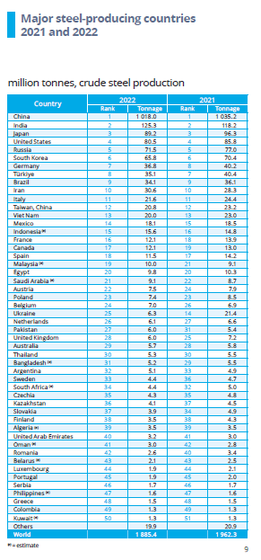
Crude steel production in 2022 in Mt (Worldsteel 2023)
Pays |  | CONCAT | Producteur VE | Total Mt production en 2022 - data world steel asso | BOF % | EAF % | Autres % | MtCO2eq. Data Global Efficiency - 2019 | verif
Austria | Austria | AustriaTotal | o | 7.5 | 91 | 9 | 0 |  | 100
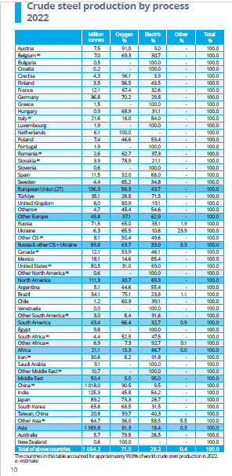
Belgium | Belgium | BelgiumTotal | o | 7 | 69 | 31 | 0 |  | 100
Bulgaria | Bulgaria | BulgariaTotal |  | 0.5 | 0 | 100 | 0 |  | 100
Croatia | Croatia | CroatiaTotal |  | 0.2 | 0 | 100 | 0 |  | 100
Czech Republic | Czech Republic | Czech RepublicTotal | o | 4.3 | 96 | 4 | 0 |  | 100
Finland | Finland | FinlandTotal | o | 3.5 | 57 | 44 | 0 |  | 100
France | France | FranceTotal | o | 12.1 | 67 | 33 | 0 | 20 | 100
Germany | Germany | GermanyTotal | o | 36.8 | 70 | 30 | 0 | 56 | 100
Greece | Greece | GreeceTotal |  | 1.5 | 0 | 100 | 0 |  | 100
Hungary | European Union (27) | HungaryTotal | o | 0.9 | 69 | 31 | 0 |  | 100
Italy | Italy | ItalyTotal | o | 21.6 | 16 | 84 | 0 | 18 | 100
Luxembourg | Luxembourg | LuxembourgTotal |  | 1.9 | 0 | 100 | 0 |  | 100
Netherlands | Netherlands | NetherlandsTotal |  | 6.1 | 100 | 0 | 0 |  | 100
Poland | Poland | PolandTotal | o | 7.4 | 47 | 53 | 0 |  | 100
Portugal | Portugal | PortugalTotal |  | 1.9 | 0 | 100 | 0 |  | 100
Romania | Romania | RomaniaTotal |  | 2.6 | 63 | 37 | 0 |  | 100
Slovakia | Slovakia | SlovakiaTotal | o | 3.9 | 79 | 21 | 0 |  | 100
Slovenia | Slovenia | SloveniaTotal | o | 0.6 | 0 | 100 | 0 |  | 100
Spain | Spain | SpainTotal | o | 11.5 | 32 | 68 | 0 |  | 100
Sweden | Sweden | SwedenTotal |  | 4.4 | 65 | 35 | 0 |  | 100
European Union (27) | #N/A | European Union (27)Total |  | 136.3 | 56 | 44 | 0 |  | 100
Turkey | Turkey | TurkeyTotal | o | 35.1 | 29 | 72 | 0 | 34 | 100
United Kingdom | United Kingdom | United KingdomTotal | o | 6.0 | 81 | 19 | 0 |  | 100
Others | Others | OthersTotal |  | 4.7 | 45 | 55 | 0 |  | 100
Other Europe | European Union (27) | Other EuropeTotal |  | 45.8 | 37 | 63 | 0 |  | 100
Russia | Russia | RussiaTotal |  | 71.5 | 65 | 33 | 1.9 | 108 | 100
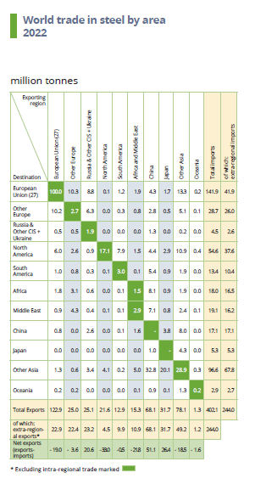
Ukraine | Ukraine | UkraineTotal |  | 6.3 | 66 | 11 | 23.9 | 49 | 100
Other CIS | #N/A | Other CISTotal |  | 8.1 | 50 | 50 | 0 |  | 100
Russia & others CIS + Ukraine | #N/A | Russia & others CIS + UkraineTotal |  | 85.8 | 63.7 | 33 | 3.3 |  | 100
Canada | Canada | CanadaTotal |  | 12.1 | 53.9 | 46.1 | 0 | 15 | 100
Mexico | Mexico | MexicoTotal | o | 18.1 | 14.6 | 85.4 | 0 | 19 | 100
United States of America | United States of America | United States of AmericaTotal | o | 80.5 | 31 | 69 | 0 | 84 | 100
Other North America | #N/A | Other North AmericaTotal |  | 0.6 |  | 100 | 0 |  | 100
North america | #N/A | North americaTotal |  | 111.3 | 30.7 | 69.3 | 0 |  | 100
Argentina | Argentina | ArgentinaTotal |  | 5.1 | 44.6 | 55.4 | 0 |  | 100
Brazil | Brazil | BrazilTotal | o | 34.1 | 75.1 | 23.8 | 1.1 | 55 | 100
Chile | Chile | ChileTotal |  | 1.2 | 60.9 | 39.1 | 0 |  | 100
Venezuela | Venezuela | VenezuelaTotal |  | 0.0 |  | 0 | 0 |  | 0
Other South America | #N/A | Other South AmericaTotal |  | 3.0 | 8.4 | 91.6 | 0 |  | 100
South America | #N/A | South AmericaTotal |  | 43.4 | 66.4 | 32.7 | 0.9 |  | 100
Egypt | Egypt | EgyptTotal |  | 9.8 |  | 100 | 0 |  | 100
South Africa | South Africa | South AfricaTotal |  | 4.4 | 52.5 | 47.5 | 0 |  | 100
Other Africa | #N/A | Other AfricaTotal |  | 6.9 | 7.3 | 92.7 | 0 |  | 100
Africa | #N/A | AfricaTotal |  | 21.1 | 13.3 | 86.7 | 0 |  | 100
Iran | Iran | IranTotal |  | 30.6 | 8.2 | 91.8 | 0 |  | 100
Saudi Arabia | Saudi Arabia | Saudi ArabiaTotal |  | 9.1 |  | 100 | 0 |  | 100
Other Middle East | #N/A | Other Middle EastTotal |  | 10.7 |  | 100 | 0 |  | 100
Middle East | #N/A | Middle EastTotal |  | 50.4 | 5 | 95 | 0 |  | 100
China | China | ChinaTotal | o | 1018 | 90.5 | 9.5 | 0 | 1.967 | 100
India | India | IndiaTotal | o | 125.3 | 45.8 | 54.2 | 0 | 239 | 100
Japan | Japan | JapanTotal | o | 89.2 | 73.3 | 26.7 | 0 | 187 | 100
Korea, South | Korea, South | Korea, SouthTotal | o | 65.8 | 68.5 | 31.5 | 0 | 117 | 100
Taiwan, China | #N/A | Taiwan, ChinaTotal |  | 20.8 | 59.7 | 40.3 | 0 |  | 100
Other Asia | #N/A | Other AsiaTotal |  | 64.7 | 36 | 58.5 | 5.5 |  | 100
Asia | #N/A | AsiaTotal |  | 1383.8 | 81.3 | 18.4 | 0.3 |  | 100
Australia | Australia | AustraliaTotal |  | 5.7 | 73.5 | 26.5 | 0 |  | 100
New Zealand | New Zealand | New ZealandTotal |  | 0.6 | 100 |  | 0 |  | 100
World | World | WorldTotal |  | 1884.2 | 71.5 | 28.2 | 0.4 |  | 100
 |  |  |  | 1877.9

